CLC_calculation
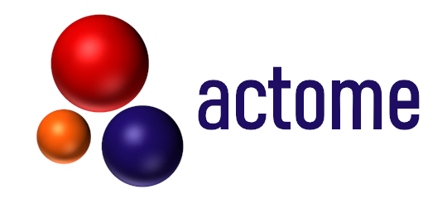
Antibody Conjugation |  |  |  |  |  |  | Explanation
Evaluation of the Conjugation Efficiency of Conjugated Antibodies

Name of Antibody |  | AB1 | AB2 | AB3 | AB4 | AB5
Peak Description | Peak Size [kDa] | Antibody Concentration from Bioanalyzer [ng/µl]
Light Chain (lc) | 26 ± 1
Light Chain + Actomidin (lc+1a) | 41 ± 2
Heavy Chain (hc) | 57 ± 3
Heavy Chain (hc) + Actomidin (hc+1a) | 72 ± 4
Heavy Chain (hc) + 2 Actomidin (hc+2a) | 90 ± 4

Total Conjugation Efficiency [%] |  | 0 | 0 | 0 | 0 | 0

